Sample Data
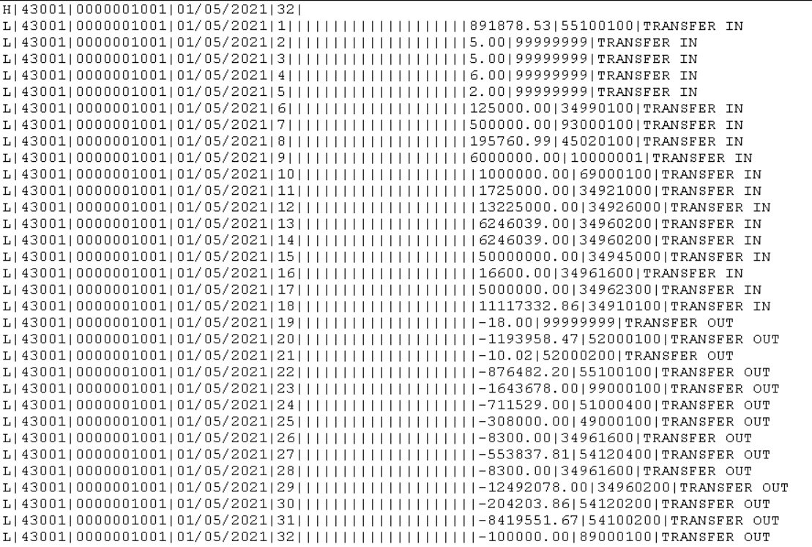
Agency_GLI037_D_YYYYMMDD-HHMM.txt

